Instructions
Instructions

Step 1: Insert Respondent:
Copy Respondent Data to be insert from Survey ID to GPS Location
Paste Respondent Data into the 'Insert Respondent' Sheet
Update the Login ID to 144
Update the Version Column to the Version that you are inserting, example: 1,2,3 - whole numbers.
Click on the Insert Respondent Button.

Step 2: PivotTable:
Enter the Survey ID for which we will be inserting Data for into cell D2
Click on the Custom Template Table button
This button will return a custom sql table for that particular survey, where the question text is now the question ID
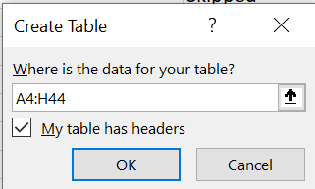
Click Insert on the Top Navigation
Click On Tables
On the Create Table Window:
Check The Headers Field
Update the Range of the Table, example: "A4:H44 "
Click OK.

Manipulate the Data - update the old Respondent IDs with New Respondent ID's
Click the PivotTable Button

The Data will be Pivoted on a new sheet, copy the Data, excluding the headings, and Paste the Data on the "Map Responses" sheet
Delete the New Sheet

Step 3: Map Responses:
Click On the Insert Responses button.

Step 4: Insert Respondent:
To clear the Data completely:
Select the Column Row data, right Click + Delete and Shift Cells Up

